Sheet1
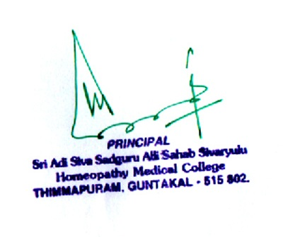
OUT PATIENT STATEMENT FOR THE YEAR JAN - 2021 TO DEC -2021
S.NO | MONTH | MALE | FEMALE | CHILDREN | TOTAL
1 | JANUARY | 1754 | 1636 | 894 | 4284
2 | FEBRUARY | 2467 | 2436 | 1103 | 6006
3 | MARCH | 2641 | 2718 | 1216 | 6575
4 | APRIL | 2256 | 2457 | 1064 | 5777
5 | MAY | 316 | 526 | 166 | 1008
6 | JUNE | 297 | 566 | 216 | 1079
7 | JULY | 937 | 1816 | 632 | 3385
8 | AUG | 2516 | 2298 | 1046 | 5860
9 | SEP | 3423 | 1730 | 1123 | 6276
10 | OCT | 2671 | 2328 | 1119 | 6118

